LOCATOR MAP
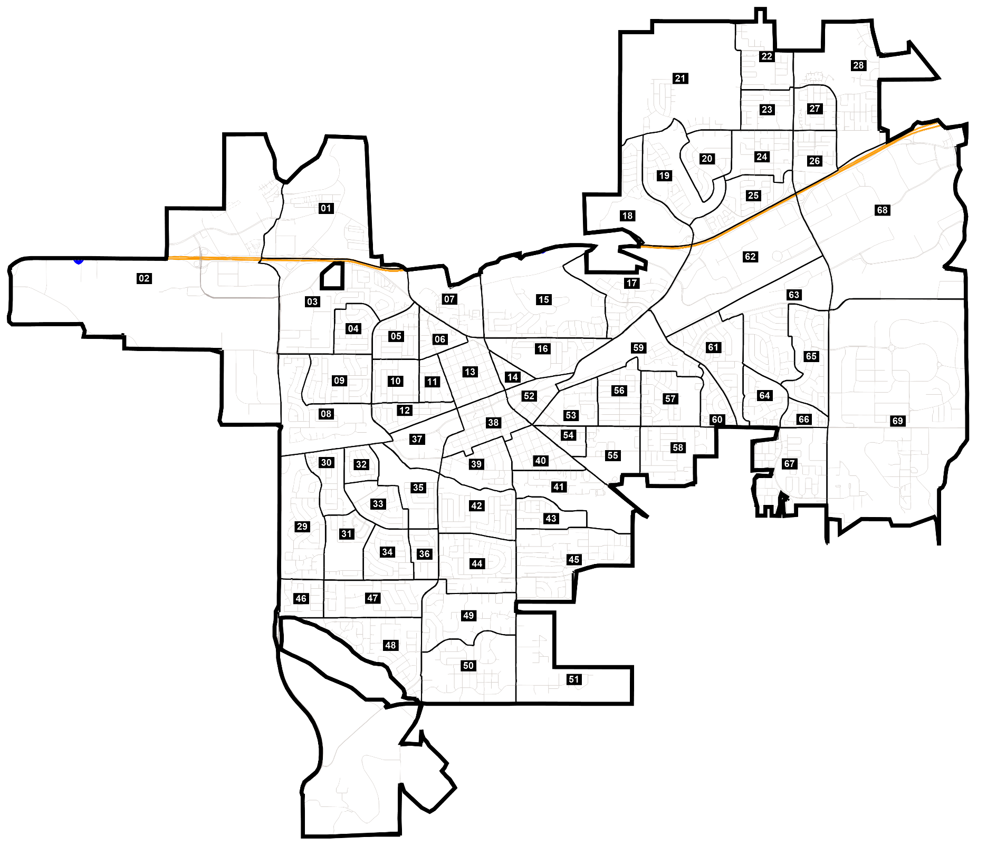
Livermore Redistricting Proposal
Locator map

